Sheet1
 | Item No | Item Description | Brand | Sezona - Value | Program | Total | RRP
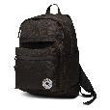 | 10003335-A01-001 | CHUCK PLUS 1.0 | CONV | 18SP | ACCUS/BACKPACKS | 100 | € 50.00
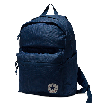 | 10003335-A02-410 | CHUCK PLUS 1.0 | CONV | 18SP | ACCUS/BACKPACKS | 109 | € 50.00
 | 10003337-A11-016 | POLY CHUCK PLUS BACKPACK 1.0 | CONV | 18SP | ACCUS/BACKPACKS | 58 | € 50.00
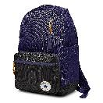 | 10004800-A09-554 | GO BACKPACK | CONV | 17FA | ACCUS/BACKPACKS | 57 | € 40.00
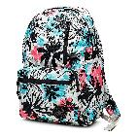 | 10004801-A01-001 | GO BACKPACK | CONV | 18SP | ACCUS/BACKPACKS | 79 | € 40.00
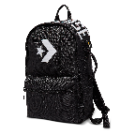 | 10005969-A01-001 | STREET 22 BACKPACK | CONV | 18SP | ACCUS/BACKPACKS | 98 | € 65.00
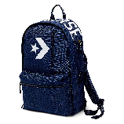 | 10005969-A02-426 | STREET 22 BACKPACK | CONV | 18SP | ACCUS/BACKPACKS | 59 | € 65.00
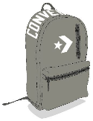 | 10005969-A03-324 | STREET 22 BACKPACK | CONV | 18SP | ACCUS/BACKPACKS | 79 | € 65.00
 | 10005969-A04-603 | STREET 22 BACKPACK | CONV | 18SP | ACCUS/BACKPACKS | 71 | € 65.00
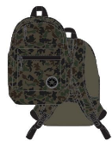 | 10005984-A07-348 | CHUCK PLUS 1.0 | CONV | 18SP | ACCUS/BACKPACKS | 52 | € 50.00
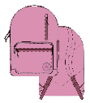 | 10005985-A06-523 | GO BACKPACK | CONV | 18SP | ACCUS/BACKPACKS | 115 | € 40.00
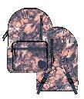 | 10005986-A07-689 | GO BACKPACK | CONV | 18SP | ACCUS/BACKPACKS | 56 | € 40.00
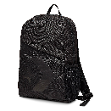 | 10005996-A01-001 | SPEED BACKPACK (STAR CHEVRON) | CONV | 18SP | ACCUS/BACKPACKS | 79 | € 25.00
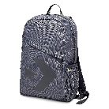 | 10005996-A02-324 | SPEED BACKPACK (STAR CHEVRON) | CONV | 18SP | ACCUS/BACKPACKS | 97 | € 25.00
 | 10005996-A04-483 | SPEED BACKPACK (STAR CHEVRON) | CONV | 18SP | ACCUS/BACKPACKS | 79 | € 25.00
 | 10006641-A01-689 | SPEED BACKPACK (STAR CHEVRON) | CONV | 18SP | ACCUS/BACKPACKS | 59 | € 25.00
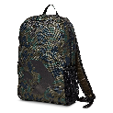 | 10006641-A02-348 | SPEED BACKPACK (STAR CHEVRON) | CONV | 18SP | ACCUS/BACKPACKS | 95 | € 25.00
 | 10008091-A01-001 | SPEED BACKPACK BLK | CONV | 18FA | ACCUS/BACKPACKS | 837 | € 25.00
 | 10008091-A02-426 | SPEED BACKPACK NAVY/WHITE | CONV | 18FA | ACCUS/BACKPACKS | 325 | € 25.00
 | 10008092-A02-020 | SPEED BACKPACK DOLPHIN/BLK | CONV | 18FA | ACCUS/BACKPACKS | 55 | € 25.00
 |  |  |  |  | TOTAL | 2559

